Standard 4 - Results
1. Student Learning Results
 |  | Analysis of Results
Identified in Criterion 4.2 | Identified in Criterion 4.1 | Identified in Criterion 4.3 |  | Identified in Criterion 4.4 | Identified in Criterion 4.3
Approach | Deployment (Do not use course grades or GPA) | Results | Analysis of Results | Improvement Action Taken or Improvement made | Insert Graphs or Tables of Trends (3-5 data points) Report sample or population size n = #
Program Learning objectives SLO1, SLO2, etc. Measurable Goals 80%, 5.5 or above, etc. | What is your measurement instrument or process? (Indicate type of instrument) direct, formative, internal, comparative | What are your current results? | What did you learn from the results? | What did you improve or what is your next step?

GSB-Wide Undergraduate
Students will demonstrate foundational knowledge of accounting, economics, finance, management, marketing, strategy, and supply chain. Goal: 70% | Comprehensive Exam in capstone courses. Summative, Internal, Comparative Across Majors/Programs | In spring 2026, 75 students scored 68%, just below the goal of 70%. | As noted above, some of the questions were not capturing shared knowledge, particularly in the areas of Supply Chain and Finance The strategy questions are lower than we would like. The content is covered in BUS495, however, not all students take BUS495 at this point in time. It’s disappointing to see that Economics scores have declined, somewhat dramatically, in the last year. However, this followed a large improvement in the year prior. There is not currently a clear directional trend, showing quite a bit of cohort variation across the years. While cohort variation is present, performance in areas such as price elasticity and taxation policy is relatively weak compared to opportunity cost. The data indicates that students are not consistently retaining or integrating core economic concepts by the time they reach the capstone. These results may also be influenced by instructional changes associated with faculty retirement and new hires. From the accounting and management areas’ perspective, the results show that students continue to meet the goal, but performance should be monitored. | The questions for Supply Chain, Finance, and Marketing will be changed starting fall 2026. We will further emphasize the strategy content; however, we don’t expect significant change until all students start taking BUS495, Strategic Management (which will start fall 2027). For economics, we will continue to monitor results, as well as focus on alignment across the many sections of ECO 200/201, and opportunities for curricular reinforcement. We plan to specifically reinforce the topics of opportunity cost, elasticity, and taxation in ECO 350, ECO 360, and FIN 320, since all Business Administration students must take one of these upper-level courses. As Business Administration is our largest major by enrollment, this will help reinforce these concepts for a majority of GSB students. The timeline is starting Fall 2026. In the accounting area, no major curriculum changes appear necessary at this time, as the average remains above the 70% goal. However, the item-level results suggest the need for targeted reinforcement. In the next assessment cycle, accounting faculty will emphasize the role of financial accounting in serving external decision makers, review the basic accounting equation more explicitly, and connect these concepts to the four basic financial statements. As we have been on track regularly achieving our benchmark for the management part of the objective, we do not see the need for further changes at this time. | 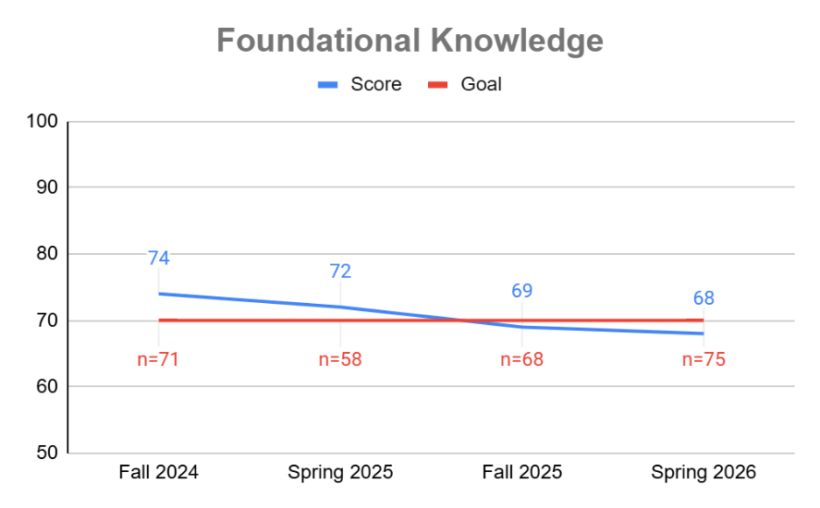

Students will apply ethical reasoning to business situations. Goal: 70% | Comprehensive Exam in capstone courses. Summative, Internal, Comparative Across Majors/Programs | In spring 2026, 75 students scored 83%, above the goal of 70%. | Stable scores indicate a continuing level of student achievement above the goal target indicating that we continue to cover this topic appropriately that our students can solve an applied business ethics question. | We continue to monitor achievement in this case; however, every year we review the materials, methods and content of the predecessor BUS260 course noted above to ensure that we keep this foundational course up-to-date and relevant to current practice of law and topical applied ethics debates/discussions. | 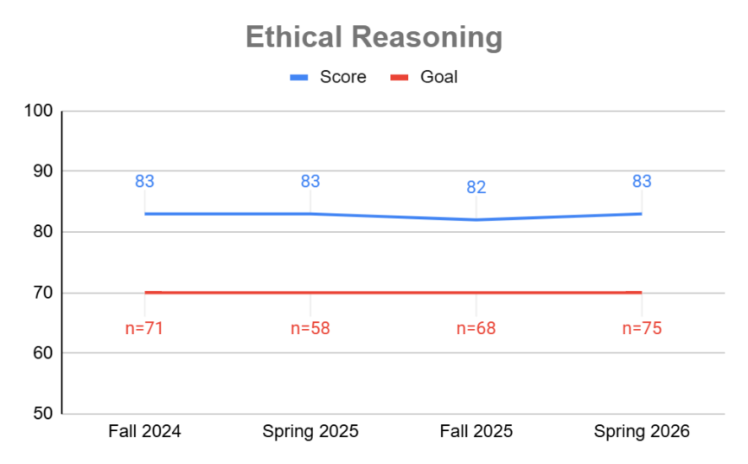

Students will demonstrate knowledge of different national cultures as they affect businesses. Goal: 70% | Comprehensive Exam in capstone courses. Summative, Internal, Comparative Across Majors/Programs | In spring 2026, 75 students scored 75%, above the goal of 70%. | We are on track but could further emphasize ethnocentricism in our international business lessons. | We will continue to monitor the results for this learning outcome. During the next evaluation cycle, when we have a larger dataset, we will do a comparison across students who take IBS200 versus the other IBS courses as part of their core. | 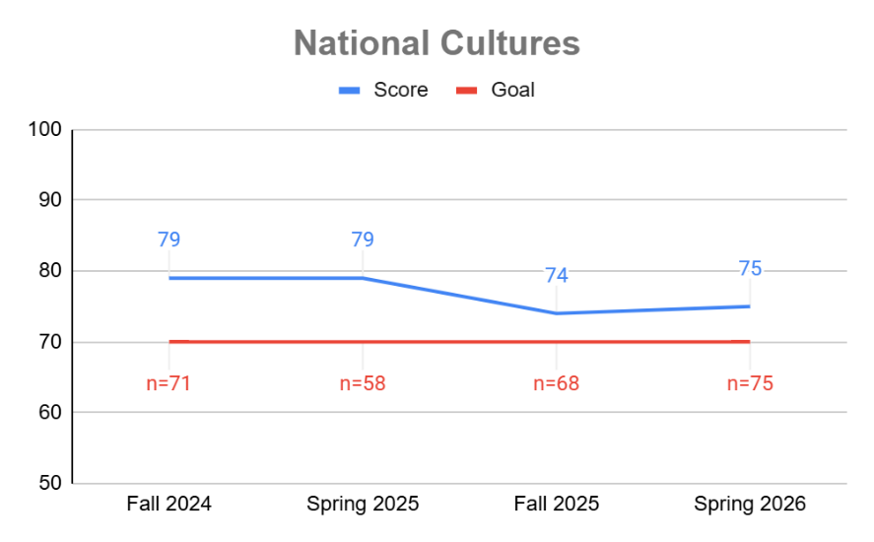

Students will create professional quality presentations. Goal: 85% | Presentations in capstone courses assessed using a standard rubric. Summative, Internal | In spring 2026, 45 students scored 90%, above the goal of 85%. | Students continue to meet or exceed expectations on over 85% of the rubric criteria. However, the current rubric may not be capturing the aspects of presentation that we desire. | We updated the rubric for this assessment, to make it more efficient to assess and to ensure that we capture more of the areas of presentation skills that are important for our students to possess. | 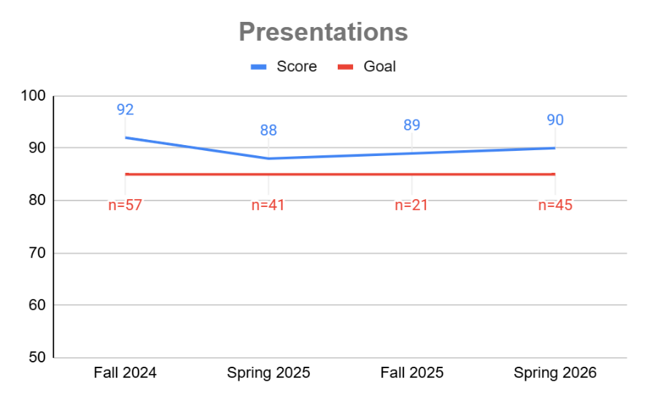

Students will write effective and professional communications. Goal: 85% | Individual final paper in capstone course assessed using a standard rubric. Summative, Internal | In spring 2026, 51 students scored 94%, above the goal of 85%. | Students have been more consistently scoring above the goal with the introduction of the revamped business communication course. In order to make sure we are capturing the relevant aspects of writing, we will be revising the rubric. | We revised the rubric for this assessment, to make it more efficient to assess and to ensure that we capture a broader range of areas of writing skills that are important for our students to possess. | 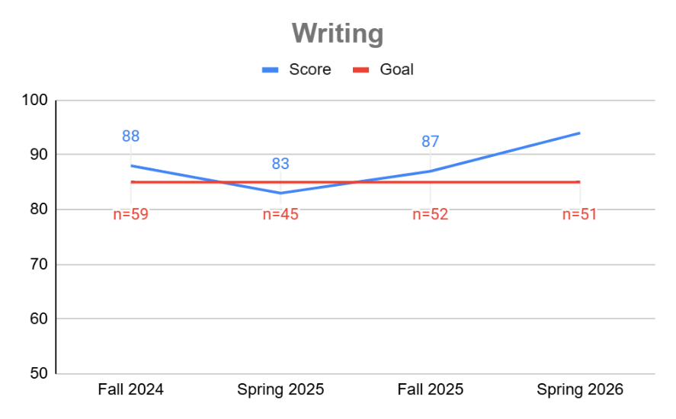

Students will synthesize cross-disciplinary knowledge and develop supported recommendations to address a business dilemma or scenario. Goal: 70% | Individual final paper in capstone course assessed using a standard rubric. Summative, Internal | In spring 2026, 51 students scored 90%, above the goal of 70%. | Students continue to score near the goal, falling both above and below. They experience the greatest difficulty with synthesizing information from different functional areas. | Faculty will provide additional instruction on synthesizing information from multiple functional areas. We are in the process of refining the rubric for this assessment, to make it more efficient to assess and to ensure that we capture all areas of critical thinking that are important for our students to possess. | 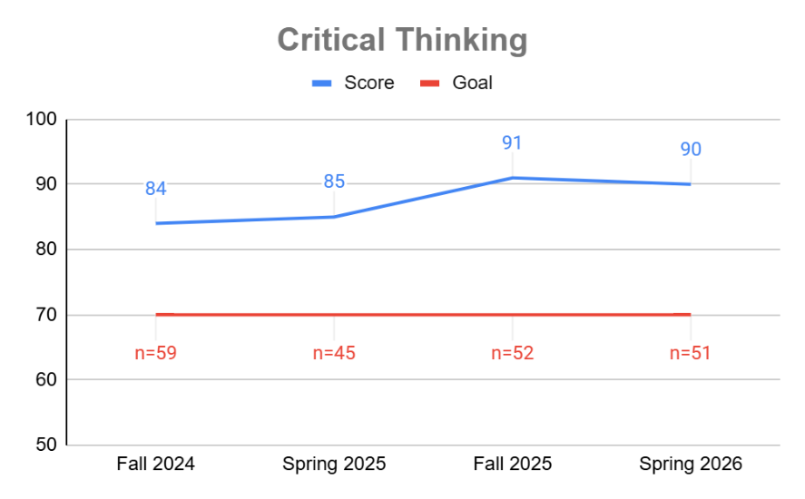

Accounting, B.S.
Students will demonstrate advanced knowledge of accounting topics, including GAAP, IFRS, ethics, tax reporting, and audit. Goal: 80% | Final exam in ACC410 Auditing class. Summative, Internal | In spring 2026, 16 students scored 82%, above the goal of 80%. | The Spring 2026 result was 83% with a sample size of 16, exceeding the 80% benchmark. This suggests that students are generally meeting expectations for the ACC 1 objective in the ACC 410 assessment context. The result also indicates that students can apply auditing concepts and use prior GAAP/IFRS knowledge when evaluating fair presentation and audit opinions. Students also need to understand tax-related financial statement implications, such as income tax accounts, contingencies, and disclosures, when those matters are material to the audit. Performance improved from approximately 81% in Spring 2025 to 83% in Spring 2026, although it remains below earlier results in the low 90% range. This pattern indicates satisfactory performance, but continued monitoring and targeted review are appropriate. | During the past two years, ACC 410 has emphasized application-oriented learning through audit examples, practice questions, class discussion, audit-related assignments, and connections to professional practice. These activities support the ACC 1 objective by helping students apply audit concepts, professional ethics, internal control evaluation, audit evidence, audit risk, audit reporting, and fair-presentation judgment. The course also reinforces prior GAAP/IFRS learning because auditors must determine whether financial statements are fairly stated under the applicable reporting framework before issuing an audit opinion. Tax reporting is addressed when tax-related accounts, contingencies, or disclosures materially affect the financial statements. | 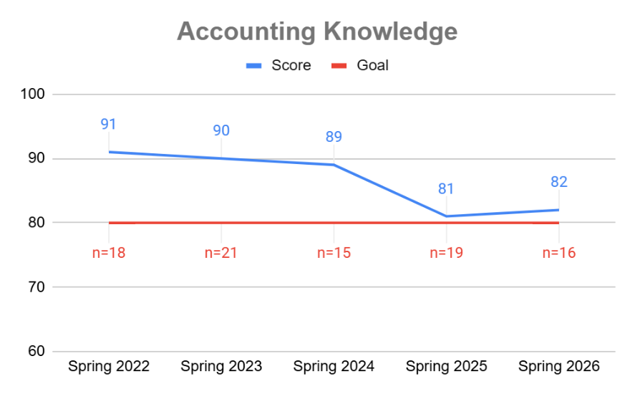

Students will construct and interpret financial statements based on the appropriate application of generally accepted accounting principles. Goal: 80% | Student Understanding Aid Project in ACC320 Intermediate Accounting I course. Summative, Internal | In fall 2025, 12 students scored 74%, below the goal of 80%. | In general, students have been performing well, with the recent exception of fall 2025. We have found that giving students clear deadlines and facilitating knowledge transfer are helpful for students. | Two class periods were spent discussing the transaction listing and walking through the project with students so that they had a good understanding before they began working on the project. | 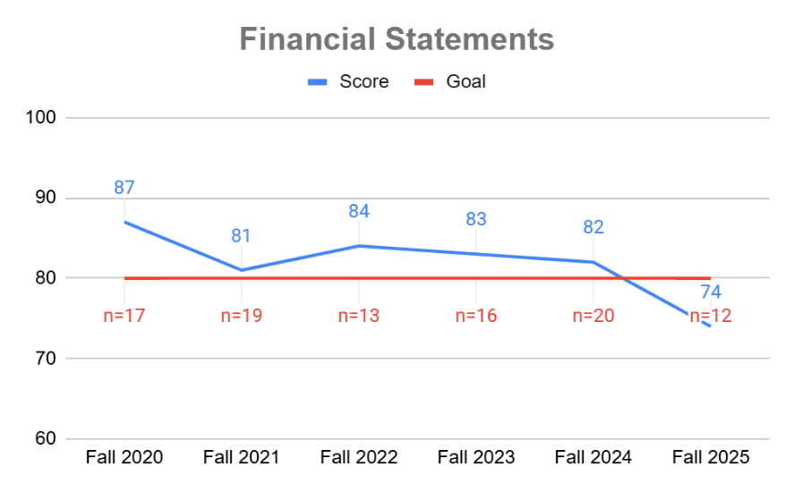
Applied Economics, B.S.
Students will demonstrate advanced knowledge of economics by analyzing domestic and global economic events (historical and current) and applying microeconomic and macroeconomic theory, and analytical skills to real-world situations. Goal: 80% | Signature Assignment - Analysis of Bilateral Issue in IBS401 International Economics course. Summative, Internal | In spring 2024, 3 students scored 82%, above the goal of 80%. | Students were generally strong at applying economic theory to real-world situations, demonstrating understanding of both microeconomics and macroeconomics. They also showed strong analytical skills. | We recently revised the objective so it is more relevant. Faculty will add opportunities for students to apply economic theory to current economic events. | 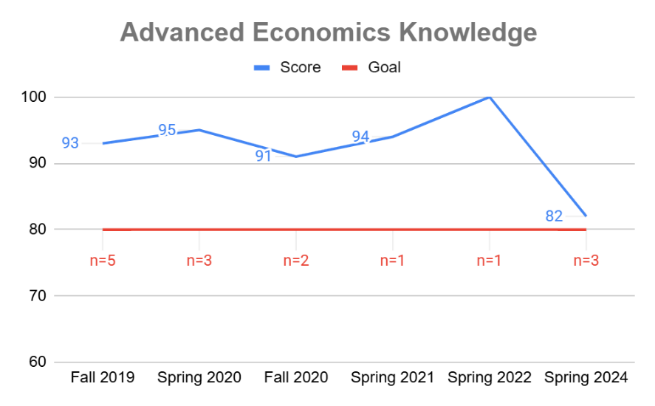

Students will synthesize data and the existing literature to develop and articulate sound opinions on the effectiveness of existing and potential public policy. Goal: 85% | Exam questions in ECO360 Intermediate Macroeconomics course. Summative, Internal | In fall 2024, 2 students scored 72%, below the goal of 85%. | After exceeding the goal for several years, students have recently not met the required threshold. During this time, there have been two instructor changes for this course – with updated assignments and expectations. We expect continuity moving forward. Further, the sample size has been small. We should continue to monitor the results and investigate but not make changes to the objective at this time. | Again, we expect continuity moving forward and will mentor our new faculty colleague (who will teach the course) on GSB assessment practices, this objective, and assessing it moving forward. | 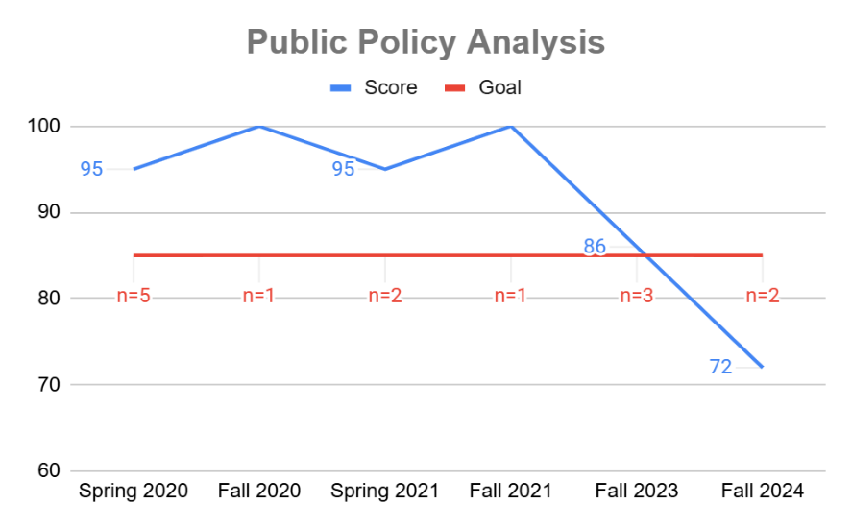

Business Administration, A.S.
Students will demonstrate understanding of ethical and legal business practices. Goal: 80% | MindTap quizzes in BUS260 Legal Environment of Business course. Formative, Internal | In spring 2026, 1 student scored 82%, above the goal of 80%. | In spring 2025, we revised the objective and the assignments being used to assess the objective. Students are performing better as a result. | In spring 2025, we revised this objective so it was better aligned with the level of the course and with expected performance of associate's degree students. | 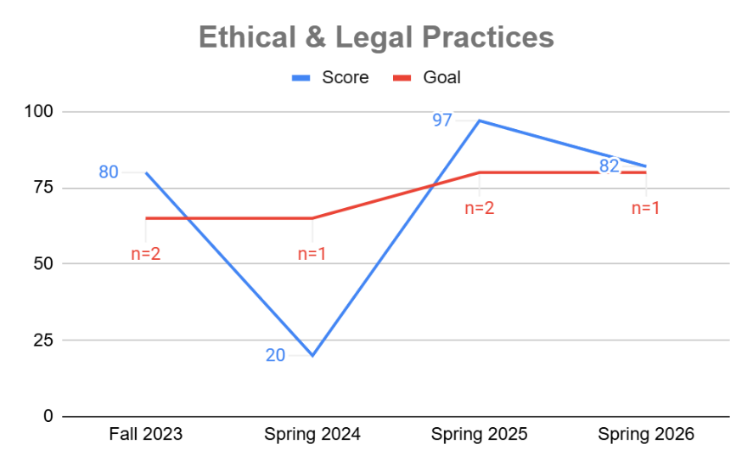

Students will demonstrate understanding of business communications. Goal: 80% | Exams in BUS246 Business Communication course. Formative, Internal | In spring 2026, 1 student scored 83%, above the goal of 80%. | In spring 2025, we revised the objective and the assignments being used to assess the objective. Students are performing better as a result. | In spring 2025, we revised this objective so it was better aligned with the level of the course and with expected performance of associate's degree students. | 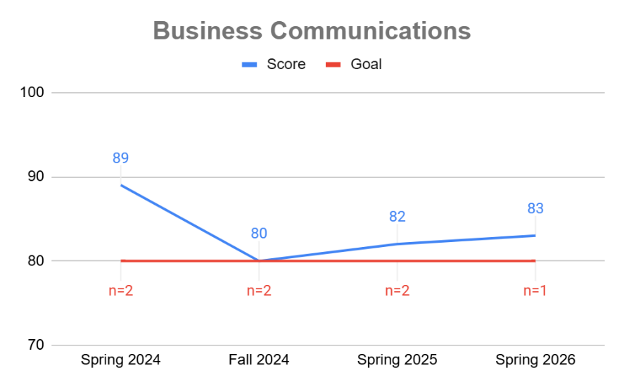

Business Administration, B.S.
Students will demonstrate understanding of different leadership styles and understand which leadership style(s) may be best suited for different situations. Goal: 70% | Midterm exam questions in MGT380 Leadership & Change Management course. Formative, Internal | In spring 2026, 8 students scored 86%, above the goal of 70%. | Students are performing well on these new leadership-focused outcomes. | Our previous Business Administration objectives were focused on quantitative outcomes. Although those are valuable, discussions with Industry Council members and results of employer surveys (such as those published by NACE) indicate that leadership skills are in high demand. As a result, we revised our outcomes to focus on leadership. During the next evaluation cycle for these outcomes, we will determine if further improvement actions are needed. | 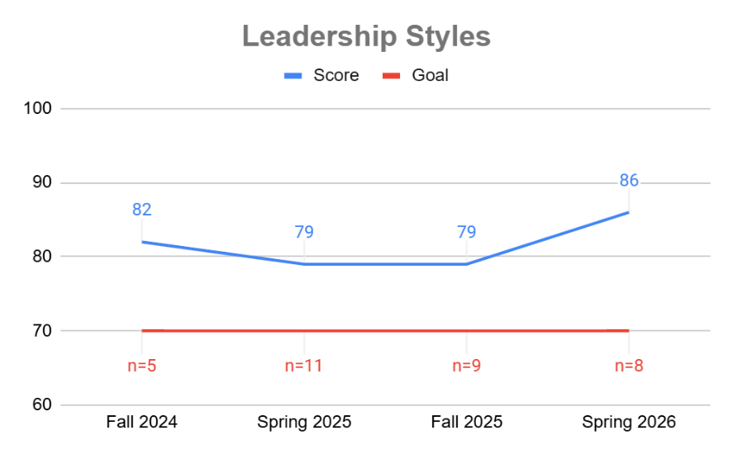

Students will demonstrate understanding of the leadership actions necessary to implement effective change. Goal: 70% | Final exam questions in MGT380 Leadership & Change Management course. Formative, Internal | In spring 2026, 8 students scored 92%, above the goal of 70%. | Students are performing well on these new leadership-focused outcomes. | Our previous Business Administration objectives were focused on quantitative outcomes. Although those are valuable, discussions with Industry Council members and results of employer surveys (such as those published by NACE) indicate that leadership skills are in high demand. As a result, we revised our outcomes to focus on leadership. During the next evaluation cycle for these outcomes, we will determine if further improvement actions are needed. | 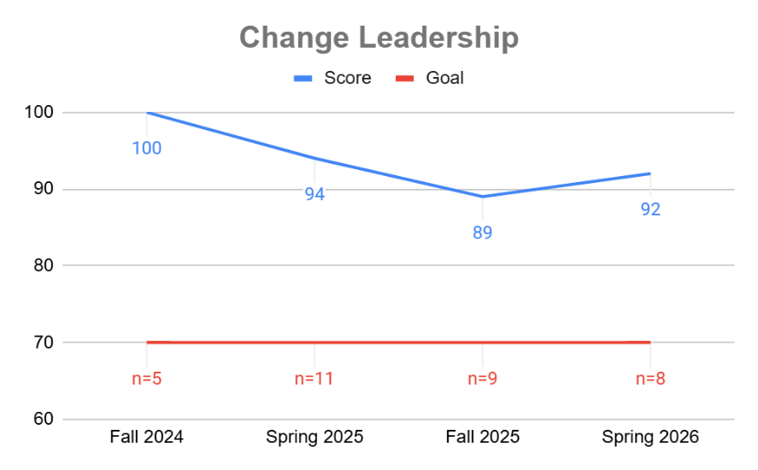

Business Analytics, B.S.
Students will demonstrate advanced knowledge in analytics, including the ability to analyze, synthesize, and formulate complex business problems. Goal: 70% | Final exam in QBA330 Supply Chain Analytics course. Formative, Internal | In the 2025-2026 AY, 3 students scored 90%, above the goal of 70%. | Small populations have hampered interpretation of the results, although students have been performing better. | We will build upon the hands-on, interactive approach used in past semesters by focusing each session on one or two optimization modeling problems. These problems will be introduced with practical context and real-world relevance to highlight their application in industry. | 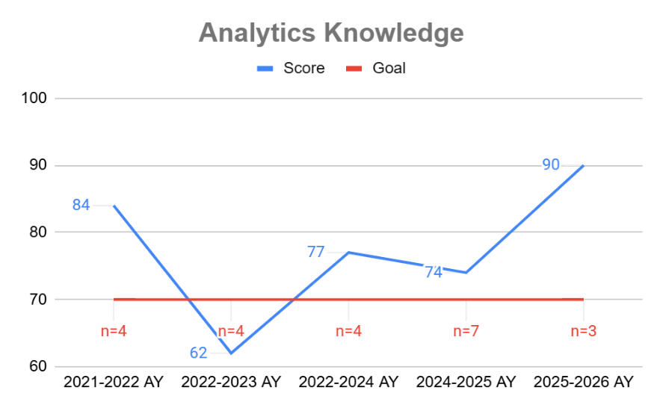

Students will develop and apply data-driven solutions to business applications and decisions using analytics tools and technologies. Goal: 80% | Business Intelligence Dashboard assignment in IFS465 Business Intelligence course. Summative, Internal | In fall 2025, 6 students scored 90%, above the goal of 80%. | The students did not understand how data is tied to business process and how data presentation matters when linking key performance indicators to metrics intended to measure business process. They also did not understand how to integrate multiple data sources for the purposes of decision support. | We shifted the course from being about PowerBI to take on large language models, natural language processing, and complex decision making. The course now uses Coursera, case studies, and a project designed business intelligence dashboards to align data with decision making and presentation for decision support. | 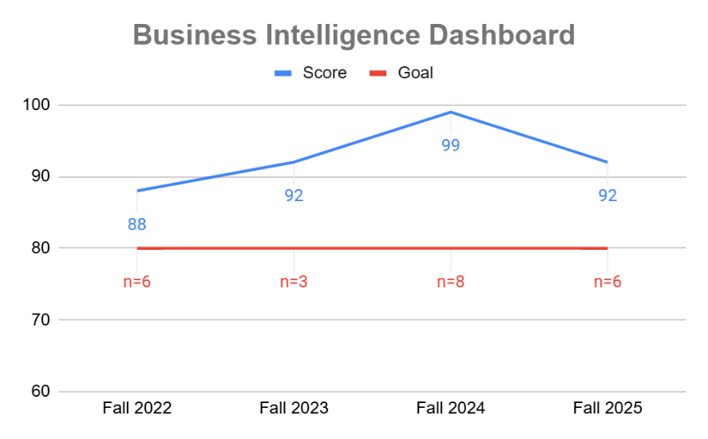

Cybersecurity Management, B.S.
Students will be able to analyze and evaluate the ethical, social, and legal implications of an emerging technology by applying established ethical frameworks and relevant policy considerations, and clearly communicating their findings in a written or oral presentation. Goal: 80% | FTC Case assignment in CYB430 Legal Foundations of Information Security and Privacy Law course. Summative, Internal | In spring 2026, 16 students scored 83%, above the goal of 80%. | As expected, we are anticipating with the national release of NIST 2.0 standards in 2023, and the subsequent new domains of litigation being undertaken by the FTC in the last two years is starting to become both broader and more complicated. This results in more case choices with more complexity after Spring, 2025 and, on-going, we anticipate likely continuing to have lower scores on this assessment until all elements of both the new standards and their emergent standards are encompassed in practice and flow into textbooks, resources and other curriculum material throughout the program. | An important feature will be continuing to update our course materials with more and more NIST 2.0 resources as they become more available. | 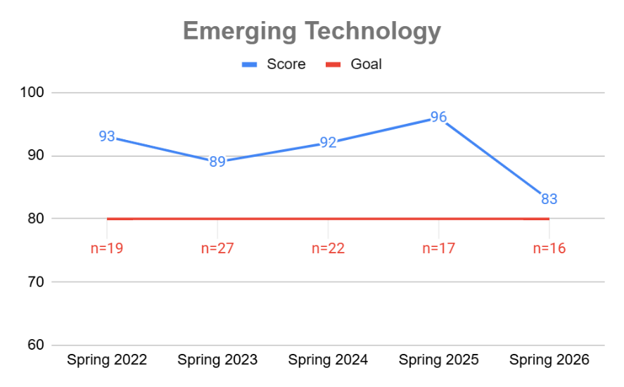

Students will conduct discipline-specific research by formulating a clear research question, gathering and evaluating credible sources, applying appropriate methodologies, and presenting their findings in a format aligned with disciplinary standards. Goal: 80% | Thesis Paper in CYB490 Cyber Senior Seminar. Summative, Internal | In fall 2025, 12 students scored 95%, above the goal of 80%. | It depends on the semester, because every student is different, and every research project requires different facilitation. | As the course has progressed, faculty added more one-on-one meetings with each student, more opportunities to present their work in class so they can get feedback from one another and learn from one another’s feedback. This class should remain capped at 15 students, which works for today’s demand, but if the major grows significantly, we may need to add a second section. We will monitor demand closely. | 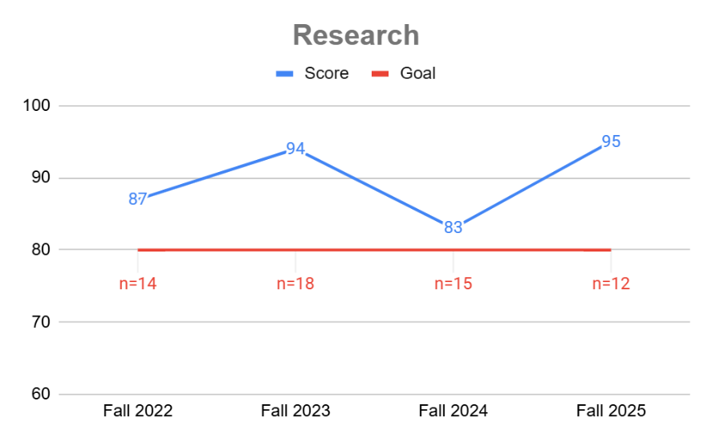

Engineering Management, B.S.
Students will demonstrate understanding of six sigma practices. Goal: 70%. | Exams in SCM325 Six Sigma Process Management course. Formative, Internal | In the 2025-2026 AY, 7 students scored 76%, above the goal of 70%. | This objective was previously "Students will demonstrate an understanding of the role of Information Technology in providing value to the organization by supporting business processes to achieve the organization's operational and strategic goals." We changed the objective in the 2024-2025 AY, when we also changed the goal. Students are performing well. | We will continue to monitor this new objective to ensure it remains relevant for Engineering Management students. | 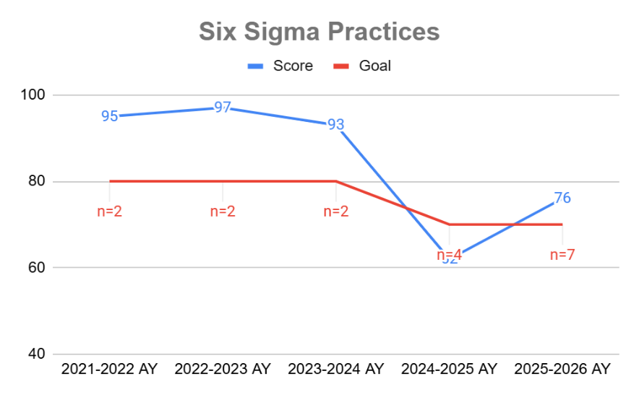

Students will demonstrate broad understanding of supply chain management. Goal: 80% | Final exam in SCM300 Essentials of Supply Chain Management course. Formative, Internal | In the 2025-2026 AY, 7 students scored 91%, above the goal of 80%. | We revised this outcome in fall 2025. Students performed better during the most recent AY. | We will continue to monitor this new objective to ensure it remains relevant for Engineering Management students. | 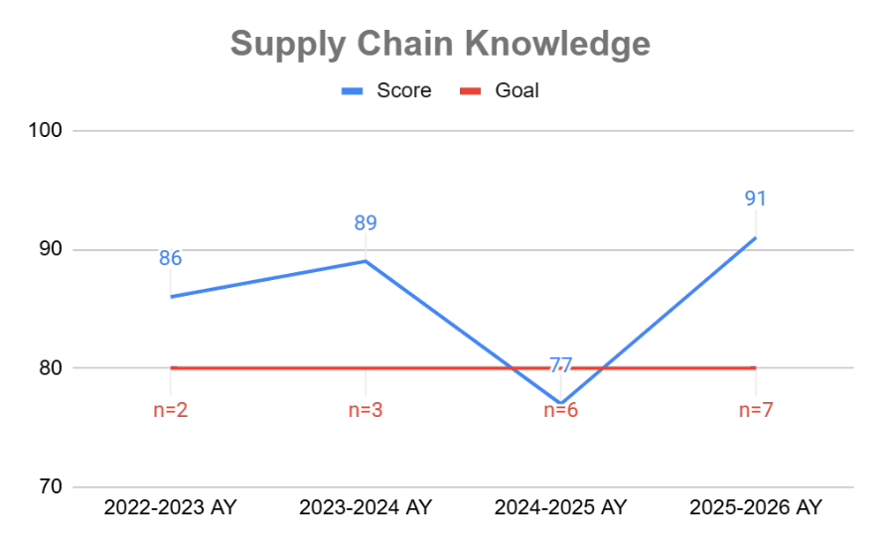

Finance, B.S.
Students will demonstrate advanced knowledge of finance, including financial modelling, risk, derivatives, and professional designations. Goal: 80% | Final exam in FIN320 Investments course. Formative, Internal | In spring 2026, 8 students scored 72%, below the goal of 80%. | Students had been performing well on this objective until quite recently. | We will continue to update the course with current material from the Chartered Financial Analyst (CFA) Institute as a model for topics and exam questions. | 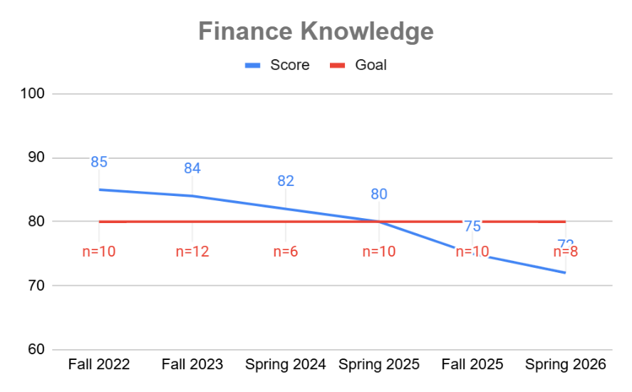

Students will develop an Investment Policy Statement patterned from the CFA ® Institute's Learning Modules given a set of unique requirements for an individual or institutional investor. Goal: 80% | Investment Policy Statement Assignment in FIN320 Investment course. Summative, Internal | In spring 2026, 8 students scored 85%, above the goal of 80%. | Most students perform at the 80% goal but there are still occasionally students who submit incomplete assignments. | In the semester long assignment, the instructor has increased encouragement for continuous (weekly) work so the submitted document is complete. Most students lose points because of incomplete submission. The goal is to facilitate a working relationship each student has with the policy statement. We will continue to make this inclusion every semester. | 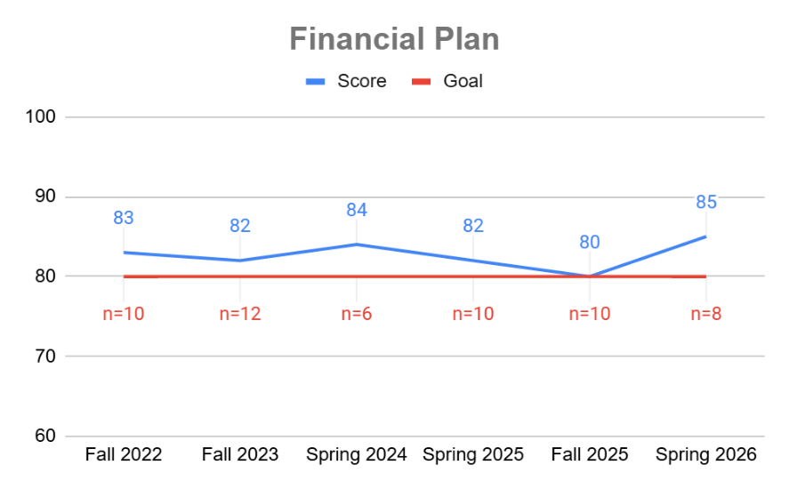

Hospitality & Tourism Management , B.S.
Students will analyze variable and fixed costs associated with food and beverage operations to determine success of a restaurant operation. Goal: 70% | Menu Project Final Analysis in HSP300 Food & Beverage Management course. Formative, Internal | In spring 2025, 8 students scored 69%, just below the goal of 70%. | By and large students understand the concepts and how to calculate and interpret them. Due to the small sample size, there is occasionally a student who struggles who will bring down the class average to below the goal. | The instructor has been dedicating more time and practice to these calculations and analyses, to help develop student confidence with the material. | 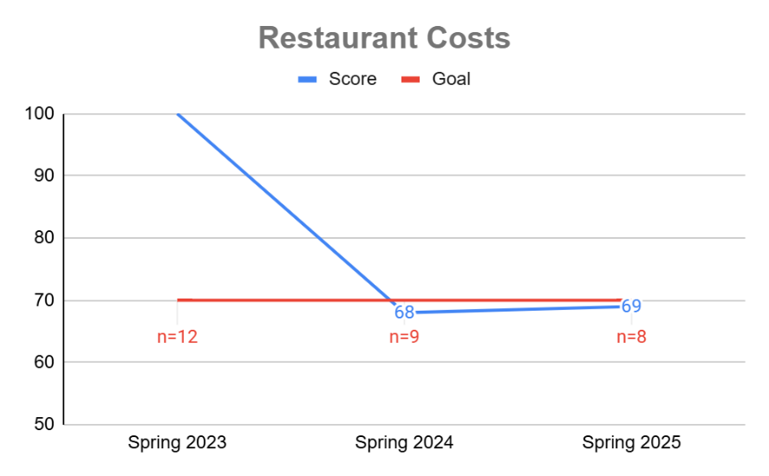

Students will demonstrate understanding of the leadership actions necessary to implement effective change. Goal: 70% | Final exam questions in MGT380 Leadership & Change Management course. Formative, Internal | In spring 2026, 1 student scored 100%, above the goal of 70%. | These results are not interpretable at this time. We recently added MGT380 to the curriculum, leading to this learning outcome, but we have not yet arrived at the point where all students are taking the class. | We will closely monitor this outcome and evaluate the results once we have a larger dataset. | 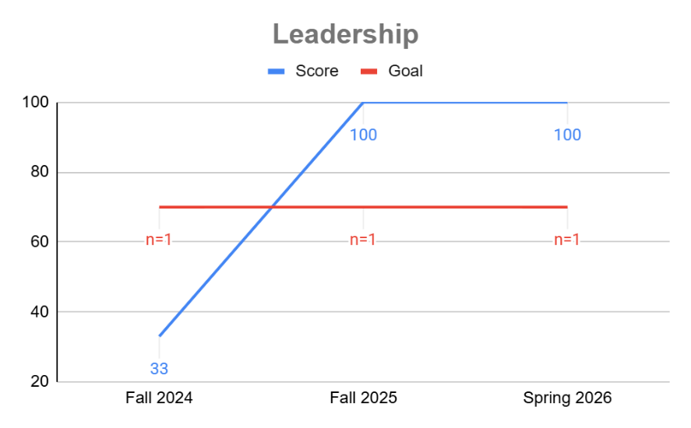

Students will demonstrate an understanding of revenue management. Goal: 70% | Final Exam in HSP410 Revenue Management and Hospitality/Tourism Technology course. Summative, Internal | In spring 2026, 9 students scored 94%, above the goal of 70%. | Students are achieving the objective at a high level. | In the future this course will be taught in-person rather than online asynchronously. This should further improve students’ performance. | 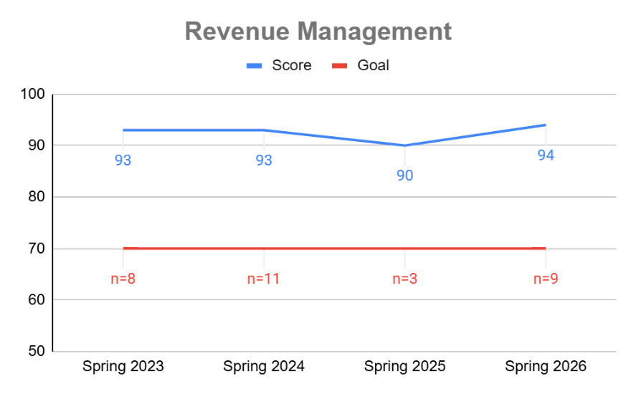
Students will demonstrate an understanding of proper safety and sanitation procedures in a restaurant setting. Goal: 70% | ServSafe Certification in HSP270 Food Sourcing, Selection, Safety, and Sanitation course. Summative, External, Comparative | In spring 2026, 15 students scored 87%, above the goal of 70%. | Students are understanding the material and achieving the objective. | The material in this class only changes when the FDA changes the Model Food Code. Therefore we stay up to date on federal changes, and make appropriate changes to the course material. | 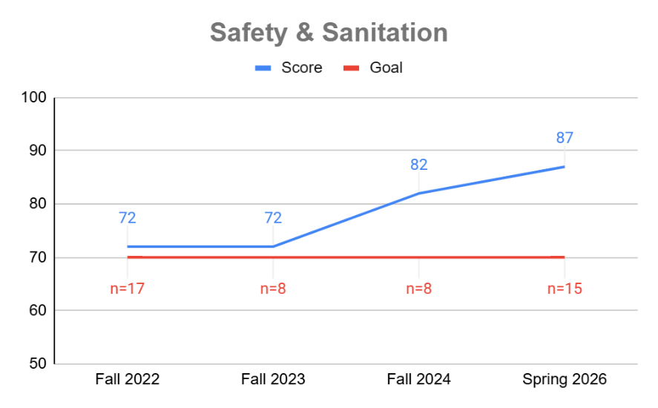

Students will create a professional portfolio to share their accomplishments with potential employers. Goal: 70% | Professional Portfolio assignment in HSP441 Hospitality Management Capstone course. Summative, Internal | In fall 2025, 7 students scored 78%, above the goal of 70%. | By and large, students are exhibiting proficiency in reflecting on their accomplishments, acquired skills, professionalism, and career readiness. | The instructor has started to introduce concepts and expectations that will be required of them as seniors to students when they begin as freshmen, and continued to emphasize the points throughout their academic progression. Also, knowing that the expectations have been scaffolded into their academic journey, the instructor will be raising the bar on the Professional Portfolio assignment with the hope of students producing more impressive results. | 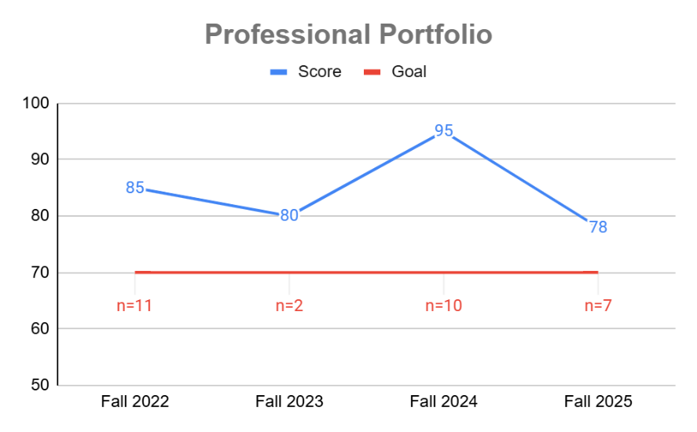

Human Resource Management, B.B.A.
Students will demonstrate knowledge of the theories of employee development and apply that knowledge to important business decisions. Goal: 90% | Training Module Project in MGT315 Human Resource Development course. Formative, Internal | In spring 2026, 3 students scored 88%, just below the goal of 90%. | Students continue to perform well on this objective. The goal of 90% seems higher than necessary. | We will reduce the goal to 85% moving forward and continue to monitor. | 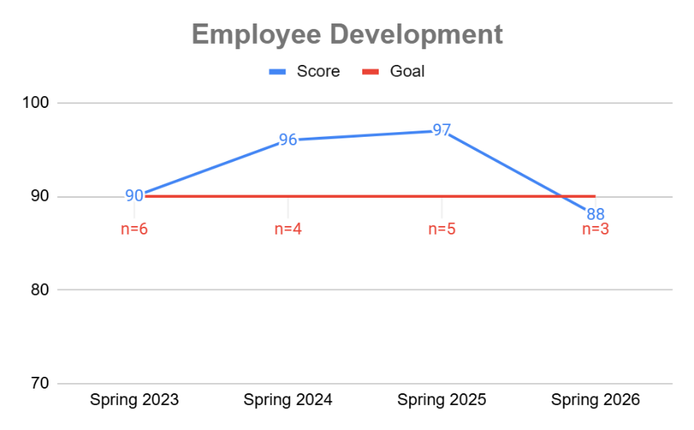

Students will apply their knowledge of human resource management to make important business decisions, and will develop an understanding of the external environment and its effect on business decisions. Goal: 85% | People Strategy Portfolio assignment in MGT435 Recruitment/Selection of Human Resources course. Summative, Internal | In fall 2024, 6 students scored 99%, above the goal of 85%. | Students continue to perform well on this assignment. While there is year-to-year variation, our program appears to be effectively meeting this important objective for our Human Resource Management students. | As prior assessments have indicated that our students are achieving objective, the past two years have focused on continuing the practices that have led to this favorable outcome. However, as noted above, moving forward we need to improve our measurement instrument to more directly measure this outcome; we will also need to meaningfully reflect upon the data that is collected with the newer, refined measurement instrument to determine additional practices or actions that may be helpful in response to those results. | 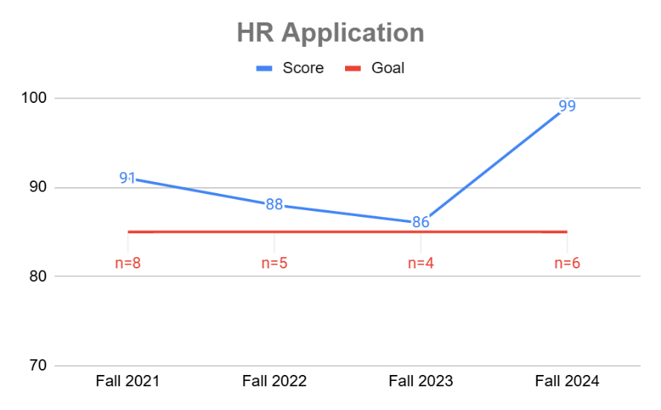

Information Technology Management, B.S.
Students will develop an understanding of the role of Information Technology in providing value to the organization by supporting business processes to achieve the organization's operational and strategic goals. Goal: 75% | Exam questions in IFS305 Management Information Systems course. Summative, Internal | In the 2025-2026 AY, 6 students scored 90%, above the goal of 75%. | The outcome goal appears not to have been met in early in the assessment period, but has been showing improvement over time. Since various changes have occurred in Mgmt Info Systems course over the assessment time frame, it is difficult to discern exactly which change or changes to the course may have caused the improvement in outcomes, but the trend is generally favorable, which is the intent of making the course improvements. | Additional time is being spent in the course to discuss the use of Porter’s Value Chain Model and Five Forces model in relation to the strategic impact of IT on the organization. More attention is also being given to exploring how information systems such as ERP systems support specific business processes like Sales and Procurement. This is meant to provide students with some specific examples of how IT supports individual business processes and how that affects the efficiency and effectiveness of the organization. | 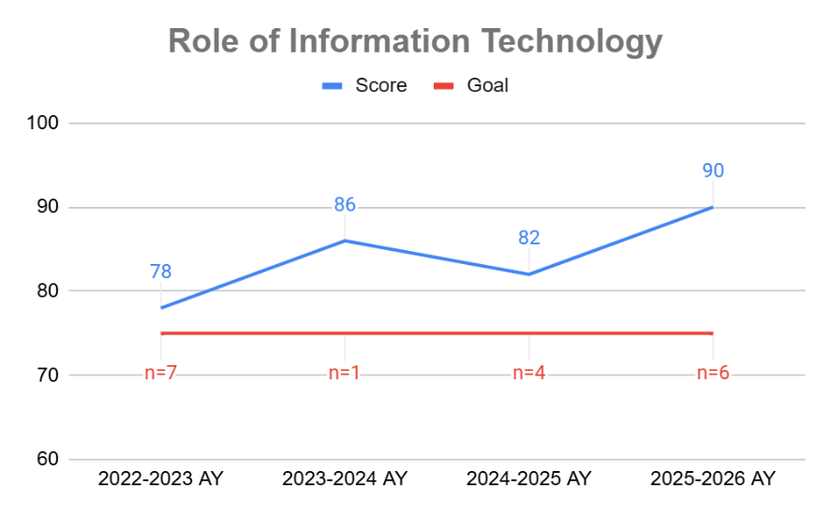

Students will demonstrate knowledge, managerial, and technical skills required to implement information systems in the enterprise. Goal: 75% | Exam questions in IFS335 Cloud Infrastructure course. Summative, Internal | In spring 2026, 2 students scored 95%, above the goal of 75%. | This learning outcome was recently changed and is being assessed in a different course. The results so far are encouraging. | We will continue to monitor the results to ensure the new objective is appropriate for this major and that this course is the optimal location to assess the outcome. | 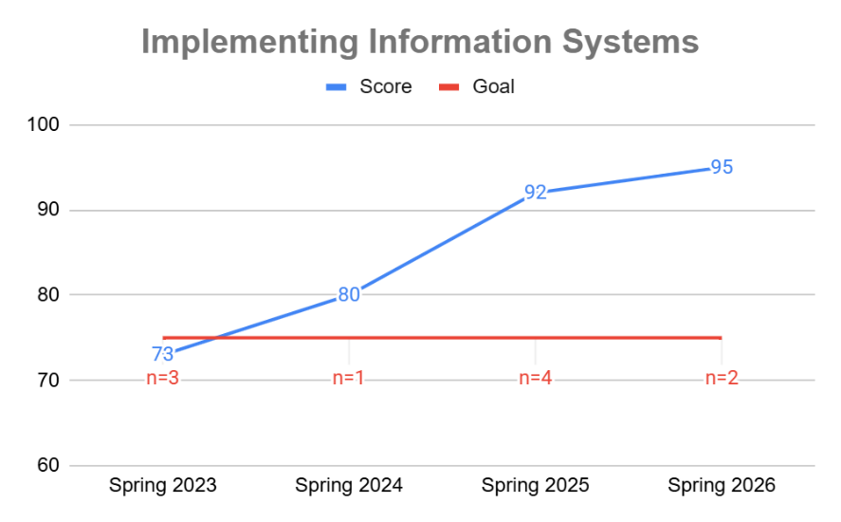

Marketing, B.B.A.
Students will be able to describe and discuss key marketing concepts as a foundation for higher-level marketing theory and application. Goal: 90% | Article Presentation assignment in MKT475 Marketing Policies & Strategies course. Summative, Internal | In spring 2026, 21 students scored 98%, above the goal of 90%. | Students generally score above the goal. | We were doing a formative assessment in a first-year class and determined it would be more effective to do a summative assignment in a senior class. The objective will now be assessed in the Article Presentation assignment in MKT475, which is scored using a rubric. One of the rubric criteria will assess this objective, and the other 4 criteria will be used to assess the second MKT objective. | 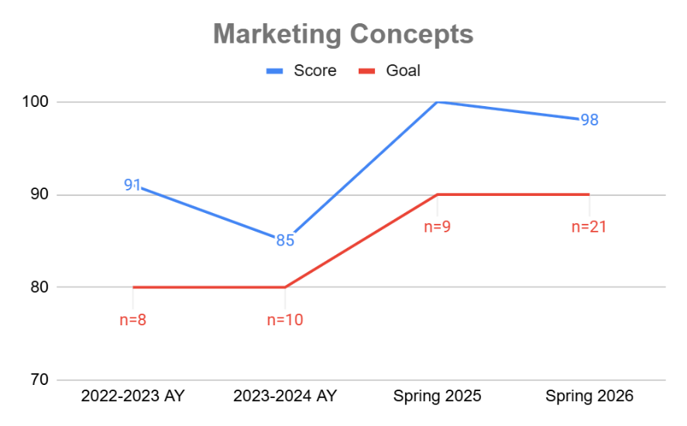

Students will analyze a firm's market segmentation, competitive environment, and market strategy. Goal: 90% | Article Presentation assignment in MKT475 Marketing Policies & Strategies course. Summative, Internal | In spring 2026, 21 students scored 95%, above the goal of 90%. | The results showed that 90% of students meet or exceed expectations, so we’re measuring the right criteria and the students were able to apply the learning from all marketing classes to the topic. | We created a rubric to asses this outcome, which is working well for the assignment. | 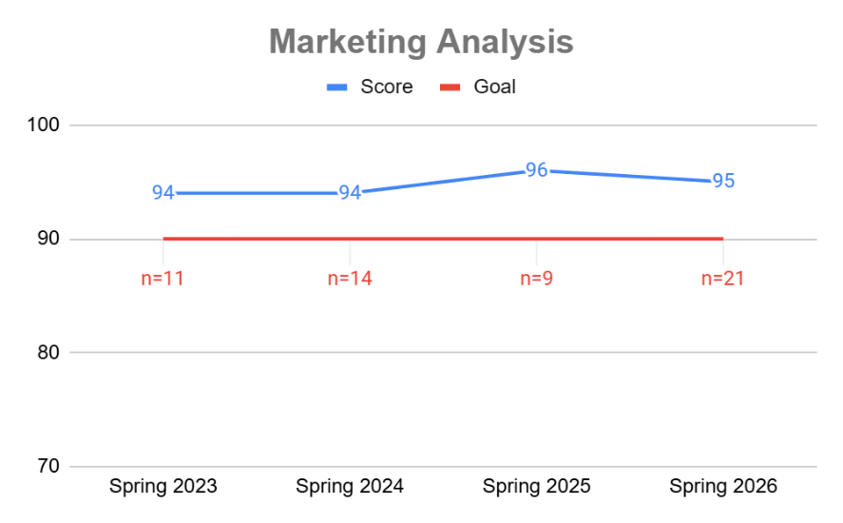

Sport Management, B.S.
Students will demonstrate the ability to apply current knowledge and practices to generate revenue within the sport industry. Goal: 90% of students will achieve a “meets expectations” or higher. | Final Class Project in SPM335 Sport Sales and Ticketing Operations course. Summative, Internal, Comparative | In the 2025-2026 AY, 12 students were assessed and 67% achieved the conditions described, below the goal of 90%. | Students showed some improvement in attempting to move beyond purely transactional sales approaches and toward more consultative selling techniques. Compared to previous years, more students attempted to conduct needs analysis and identify customer interests before presenting a solution. This reflects growing awareness that modern sport sales relies heavily on relationship building and understanding customer motivations rather than simply delivering a sales pitch. However, the overall outcome for this assessment did not meet expectations. A major issue was that many students submitted sales call simulations that were significantly shorter than expected, limiting their ability to fully demonstrate the core sales competencies outlined in the assignment. | Moving forward, greater instructional emphasis will be placed on the consultative sales process itself, particularly the importance of probing and implication questioning strategies. Additional modeling and role-play activities may help students better understand how to extend conversations naturally, uncover deeper customer motivations, and connect those insights to personalized solutions. More structured checkpoints related to product research and script development may also be necessary to ensure students develop stronger familiarity with the organizations and ticket products before completing the final simulation. | 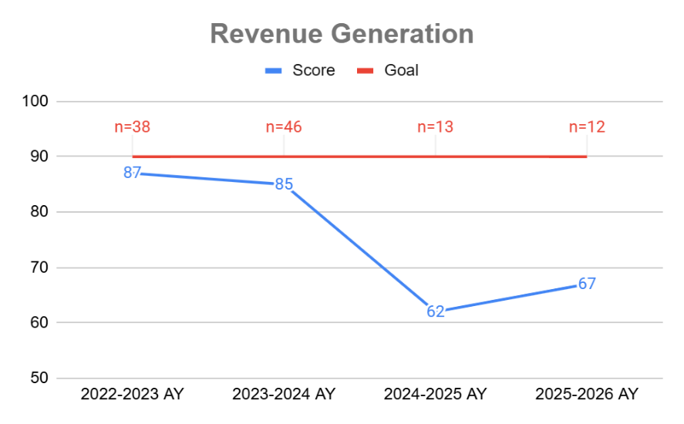

Students will explain contemporary issues in sport management and craft best practice responses in an ethical manner. Goal: 90% of students will achieve a “meets expectations” or higher. | Case Study assignment in SPM 475 Ethics and Current Issues in Sport course. Summative, Internal, Comparative | In the 2025-2026 AY, 20 students were assessed and 85% achieved the conditions described, below the goal of 90%. | While students did not meet the expectation for the case study assignment in SPM475, the 85% who did is an improvement over previous years. The three students who did not achieve “meets expectations" overall, did hit that benchmark in three of the four designated metrics. There was not any particular area in which they were all deficient (i.e., no pattern), so it does not seem that any particular area of instruction is necessarily lacking. And, it must be noted that having 100% of students achieve “meets expectations” in three of the four specific metrics, shows significant improvement and progress. | The indirect assessment (not reported on this table) also suggests progress on this outcome, as the benchmark was reached and all but one student felt prepared with respect to ethics. The changes that have been made in prior years, including individual consultation with the faculty member in SPM475, and greater emphasis earlier in the program in SPM130, are working. These approaches will continue moving forward since they seem to be having a positive impact. | 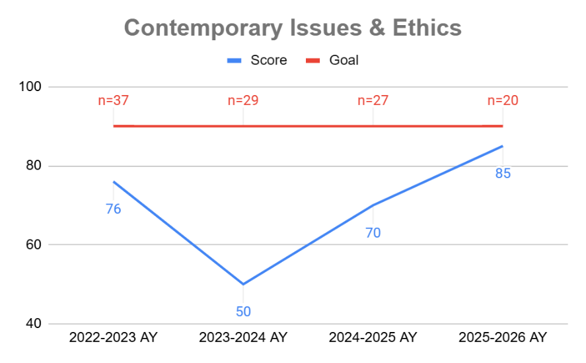

Students will demonstrate a working knowledge of accounting, economics and finance to contribute to fiscally responsible sport organizations. Goal: 90% of students will achieve a “meets expectations” or higher on all rubric sections. | Budget Project in SPM340 Financing Sport Operations course. Formative, Internal, Comparative | In the 2025-2026 AY, 17 students were assessed and 88% achieved the conditions described, below the goal of 90%. | The reason why the direct assessment fell short of meeting this benchmark was that two students submitted a budget that was not balanced. Even though this was expressed as a necessity for the assignment, additional communication about the necessity of this integral component of the assignment appears to be warranted | Next year, students will get a zero if they submit a budget that is unbalanced and will be required to re-do it. This is a competency that students must learn, and thus a more authoritative approach will be taken. | 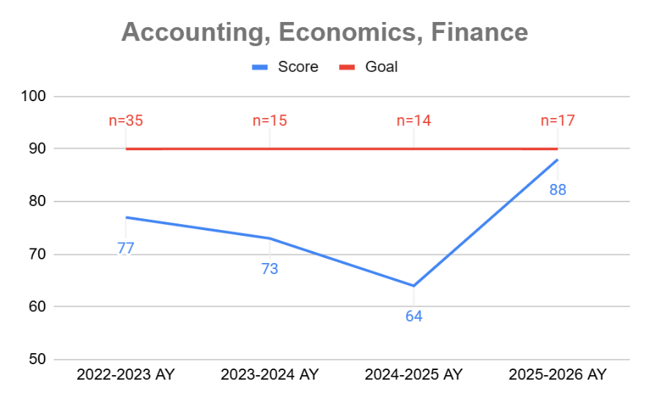

Students will apply evidence-based management practices to foster safe and productive sport organizations. Goal: 90% of students will achieve a "good" on all rubric sections. | Sport Organization Research Project in SPM320 Sport Administration and Management Practices course. Formative, Internal, Comparative | In the 2025-2026 AY, 25 students were assessed and 96% achieved the conditions described, above the goal of 90%. | With respect to the direct assessment, students exceeded expectations. All but one student (24/25) had a strong understanding of using appropriate sources of evidence to develop and support their recommendations regarding managerial decisions. This is likely a reflection of how much emphasis is placed on evidence-based management concepts throughout the curriculum in varied contexts, as befits a sport management program. | One area of improvement may be to adjust class experiences so that students have more feedback and thoughtful engagement with group dynamics, leadership, and other related areas. In addition, perhaps some assignments need scaffolded so that students have to work independently before group work to create more opportunities for ownership and to let students try new associated managerial skills when they later work within a group. | 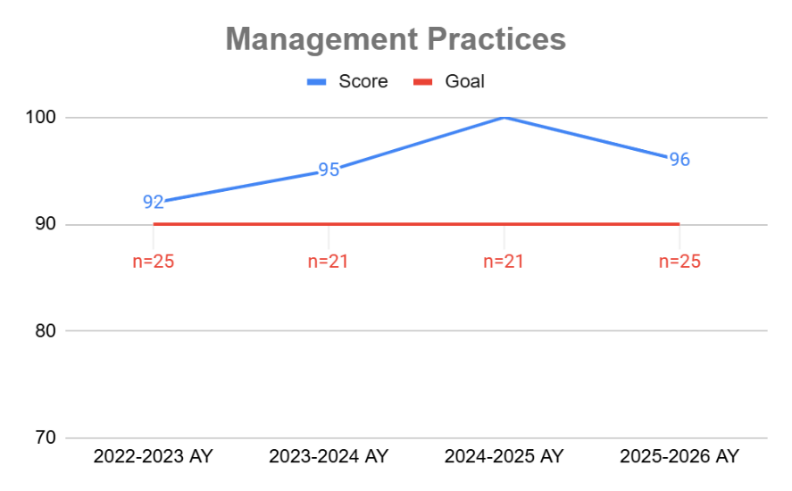

Students will exhibit proficiency in the skills of communication within the context of the sport management discipline. Goal: 90% of students will achieve a “meets expectations” or higher on all rubric sections. | Sport Feature assignment in SPM225 Communication in Sport course. Formative, Internal, Comparative | In the 2025-2026 AY, 30 students were assessed and 90% achieved the conditions described, meeting the goal of 90%. | The communication outcome has a lot of great news. From an indirect measure perspective, capstone internship supervisors again provided ratings on interns’ communication skills that exceeded the benchmark. Further, the changes outlined last year to enhance written communication yielded results and the direct measure’s benchmark was met for the first time in a very long time. In examining the specific areas in which students did not meet the threshold for oral speaking, approximately 82% were due to a lack of demonstration of engagement and vigor to the audience. This is always a challenge (and has been noted in prior years’ outcomes narrative), as some students, who may be introverted by nature, do not feel comfortable with public speaking, and as a result, do not exude the necessary charisma in front of an audience. | In class, we have covered strategies that have the potential to enable students to feel more comfortable in public speaking, which can impact their engagement attempts and vigor toward the audience. Additional focus in future classes on strategies to begin with a strong or personal introduction can hopefully allow students to improve their charisma, while also allowing them to get into a better flow for the rest of the presentation. | 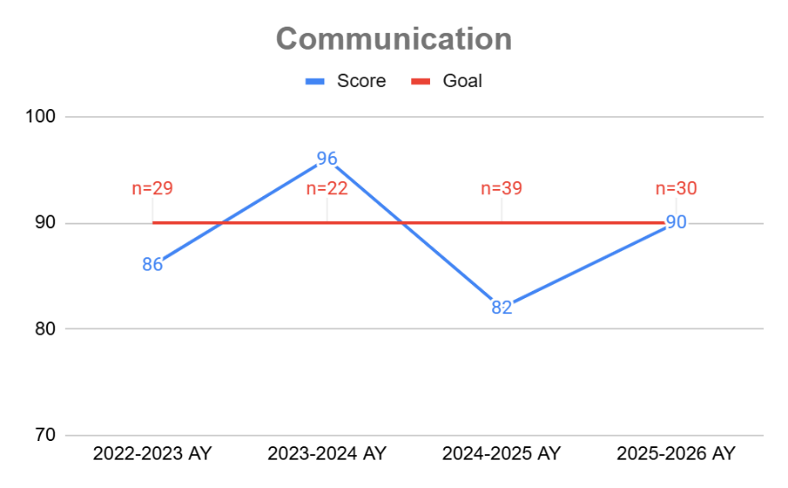

Students will exhibit proficiency in synthesizing cross-disciplinary knowledge so as to develop supported recommendations within the context of the sport management discipline. Goal: 90% of students will achieve a “meets expectations” or higher on all rubric sections. | Business Plan assignment in SPM470 Senior Seminar. Summative, Internal, Comparative | In the 2025-2026 AY, 22 students were assessed and 73% achieved the conditions described, below the goal of 90%. | The overall quality and completeness of student projects improved compared to the previous year. Students demonstrated stronger planning processes and showed better attempts to connect areas such as operations, marketing, finance, and customer experience into more cohesive business proposals. However, many students still struggled to sufficiently justify their ideas. This is reminiscent of other outcomes already noted (e.g., revenue generation, ethics, finance) in which students did not fully provide the critical thinking related to evidence that was required for full success. | This year, greater emphasis was placed on guiding students to approach business planning from a more holistic and realistic perspective. Rather than focusing primarily on generating entirely new ideas, students were encouraged to develop concepts that were operationally feasible and realistically executable. The goal was to help students better connect strategic thinking with practical application while demonstrating the cross-disciplinary skills developed throughout the sport management program. | 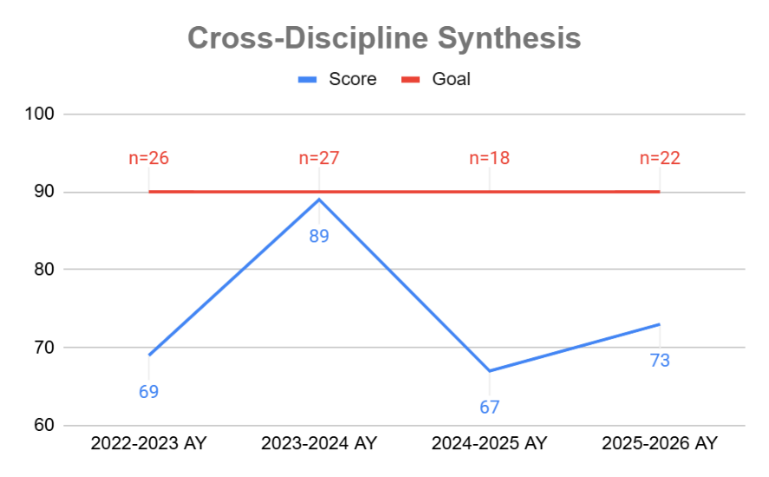

Students will develop knowledge and skill in key career and professional development competencies for the sport management field. Goal: 100% of students will achieve a “38/50” or higher on cover letter/resume, 100% of students will achieve a “competent” or higher on interview rubric. | Resume & Mock Interview in SPM470 Senior Seminar course. Summative, Internal, Comparative | In the 2025-2026 AY, 18 students were assessed and 83% achieved the conditions described, below the goal of 100%. | Overall student professionalism and communication skills improved compared to previous years. In particular, many students demonstrated stronger confidence and greater specificity when discussing their experiences, strengths, and transferable skills during interview activities. Students also showed improved ability to connect prior academic and experiential learning opportunities to actual responsibilities and expectations within the sport industry. | Several changes to pedagogy were implemented with respect to this outcome over the last two years. For example, this year, while continuing the use of AI-powered mock interviews and panel interview reflection activities, additional emphasis was placed on practical professional preparation that more directly reflected the realities of the sport industry hiring process. Rather than simply answering interview questions, students spent more time practicing how to connect their experiences to specific job descriptions and explain their qualifications in a logical and professional manner. Students were also guided to develop their resume, cover letter, and LinkedIn profile as part of a cohesive professional package. | 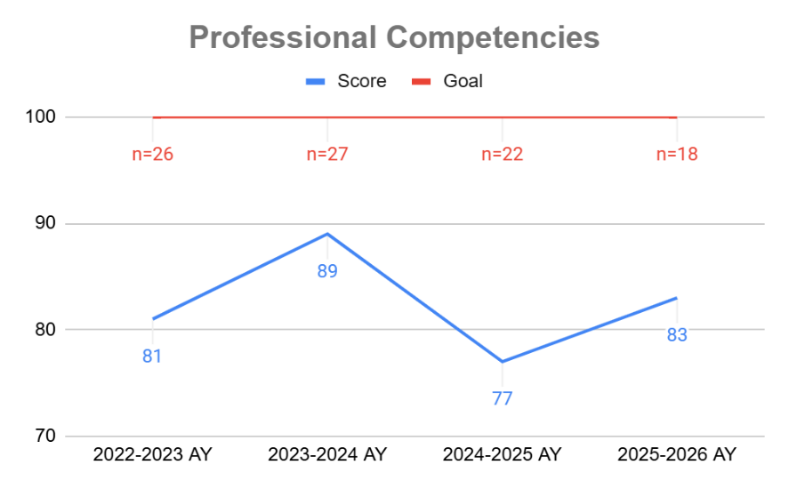

Supply Chain Operations Management, B.S.
Students will apply quantitative methods to effectively design and manage global supply chain operations. Goal: 70% | Final Exam in IBS480 Global Supply Chain Management course. Summative, Internal | In spring 2026, 14 students scored 80%, above the goal of 70%. | We revised this learning outcome and changed the course and assignment being used to complete the assessment, effective fall 2025. Thus far, results have been promising. | As noted, we recently revised the outcome. During the next evaluation cycle, we will evaluate the appropriateness of the new outcome/course/assignment. | 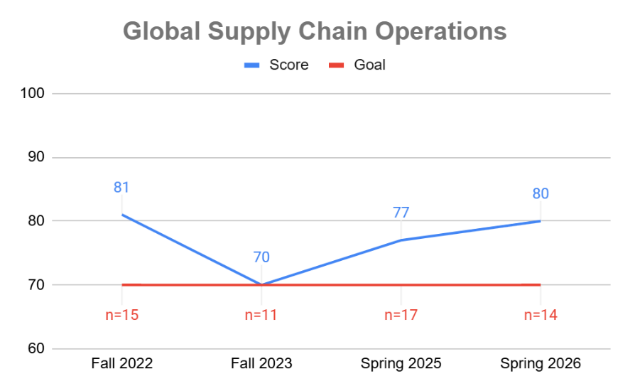

Students will develop the ability to apply quality management skills (including lean systems and six sigma) within manufacturing and service contexts. Goal: average score of 75%. | SME Lean Bronze Exam. Summative, External, Comparative | In spring 2026, 7 students scored 72%, below the goal of 75%. | We revised this learning outcome and changed the course and assignment being used to complete the assessment, effective fall 2025. Thus far, the results may be suggesting the need to reduce the goal to 70%, although it is too soon to draw that conclusion. | As noted, we recently revised the outcome. During the next evaluation cycle, we will evaluate the appropriateness of the new outcome/course/assignment. | 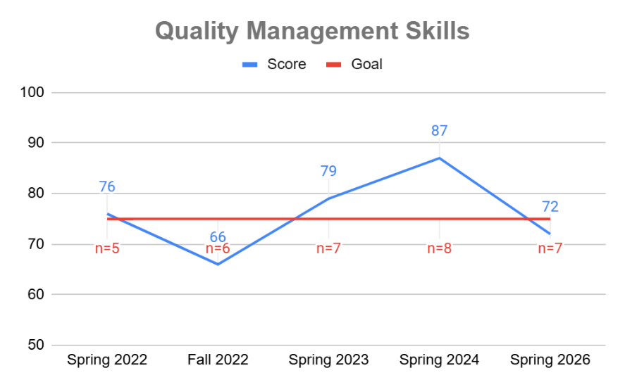

Masters of Business Administration, M.B.A.
Students will develop a well-supported, clearly written original perspective. Goal: 85% | Weekly Response Writings in MBA514 Public Policy & Business course. Formative, Internal | In fall 2025, 10 students scored 90%, above the goal of 85%. | Most students proficiently identified quality sources, cited sources properly, and summarized the literature. Some struggled to develop an original position. Many continued to struggle with expressing the original position clearly. This shows that greater focus is needed on argument development and general writing skills. | We slightly revised the objective to be more relevant for students. The instructor started giving significantly more feedback for the first several writing assignments. The instructor has also adjusted the rubric to be very content-specific, rather than using the same rubric for each writing. MBA student performance moderately improved from 2024 to 2025 with these two changes. We will also have a discussion on the use of Grammarly in graduate classes in the GSB. | 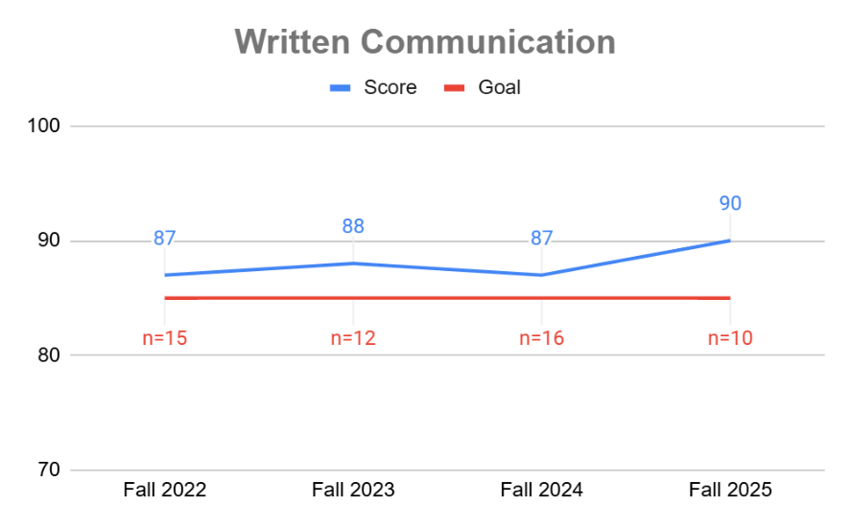

Students will write & deliver clear, concise, professional-quality presentations. Goal: 85% | Organizational Dynamics in Film presentations in MBA513 Organizational Dynamics course. Formative, Internal | In spring 2026, 9 students scored 97%, above the goal of 85%. | Students record an individual presentation related to their final paper in the course. They perform well across all rubric criteria. | We are in the process of updating the rubric so it is more relevant for recorded presentations. | 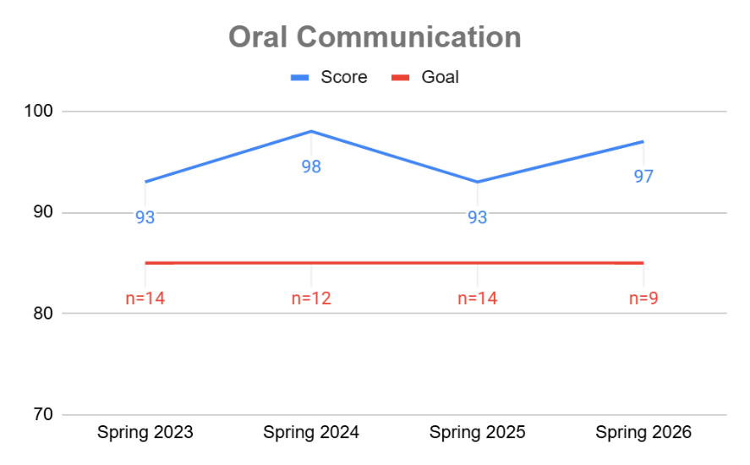

Students will effectively integrate and analyze course material and clearly convey well-defined opinions in discussions. Goal: 90% | Discussion posts analyzing strategy topics in MBA593 Business Strategy course. Summative, Internal | In the 2025-2026 AY, 17 students scored 97%, above the goal of 90%. | Students perform well on this learning outcome. In general, they are able to integrate course material and present concise, supported opinions in discussions. | We will continue to look for opportunities to improve students' skills in this important area by updating course materials and providing opportunities to practice. | 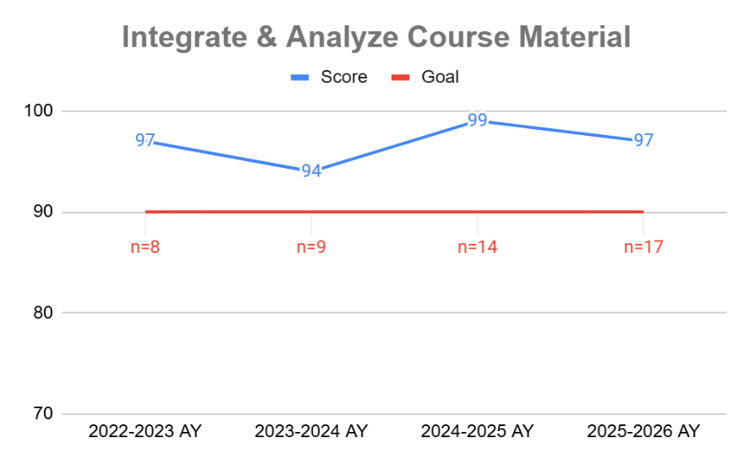

Students will display mathematical and information technology competency appropriate for graduate business students. 85% | Case analysis in MBA512 Business Analytics course. Formative, Internal | In spring 2026, 11 students scored 86%, above the goal of 85%. | The case study is not an optimal assignment to evaluate the objective. One of best assignments is Quiz 6. In that quiz, students are given 4 questions with multiple parts to build some sophisticated analytical models by using Excel, which exactly evaluate the objective. | To help students better understand materials, the Instructor used Canvas and Email to encourage students asking questions and offered live online office hours. They also offered 2 attempts for students to allow them to correct mistakes. The Instructor will keep doing this in Spring 2026 and beyond. | 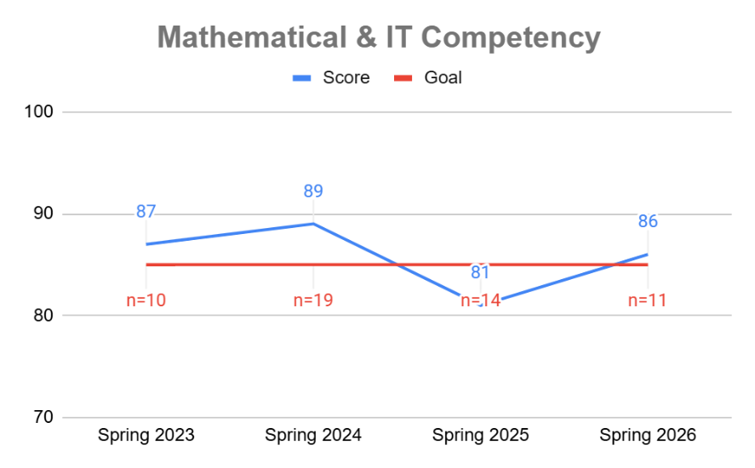

Students will demonstrate competency in financial fluency. Goal: 85% | Final exam in MBA527 Managerial Accounting course. Summative, Internal | In fall 2025, 15 students scored 91%, above the goal of 85%. | In general, students have a good understanding of the course concepts and demonstrate effective competency of financial fluency. | We provided more strategic case studies on selected course concepts. The Instructor also implemented a recommendation requirement for the final project where students have to use their learned knowledge to advise managers on the reasons behind financial decisions. | 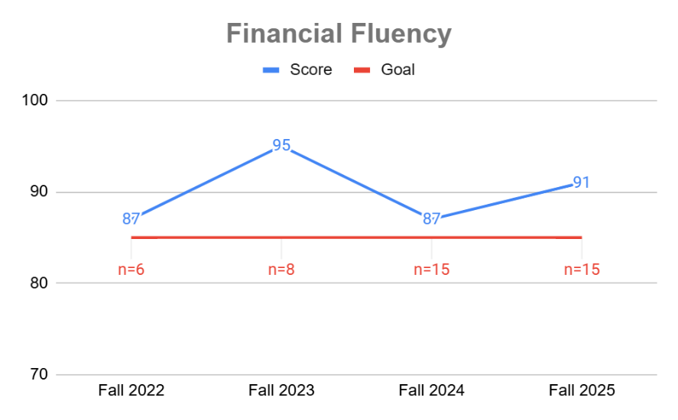

Students will demonstrate a holistic understanding of business analytics, business ethics, statistics, organizational dynamics, economics, accounting, business law, marketing, international business, operations management, and finance. Goal: 248 | MBA Major Field Test from ETS administered in MBA593 Business Strategy course. Summative, External, Comparative | In the 2025-2026 AY, 12 students scored 248, meeting the goal of 248. | Students routinely perform at or above the average scores reported by ETS. We feel very positively about our students' performance as compared to other institutions in the US. | The MBA curriculum is effectively ensure students have a holistic knowledge of business. Process-wise, we have started utilizing ETS's new remote proctoring service, which is working well for both the institution and students. We will continue to use the ETS exam to evaluate students' knowledge and look for opportunities to improve the curriculum. | 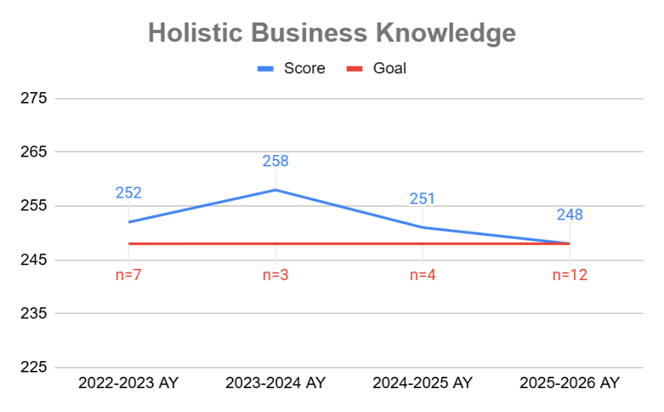

Masters of Accounting in Fraud and Forensics, M.ACC.
Students will demonstrate expanded understanding of professional responsibilities of accountants, including the ethical and professional standards of the accounting profession. Goal: 85% | Final project in ACC571 Advanced Auditing course. Summative, Internal | In fall 2025, 9 students scored 90%, above the goal of 85%. | Students generally perform satisfactorily on this learning outcome. We had a new part-time faculty member teach the course for the first time in fall 2025 and we hope to achieve some continuity as they settle into the course. | All of the MACC outcomes are being evaluated due to a change in focus of the program towards fraud and forensics. As the curriculum changes, the learning outcomes will also need to be revised. | 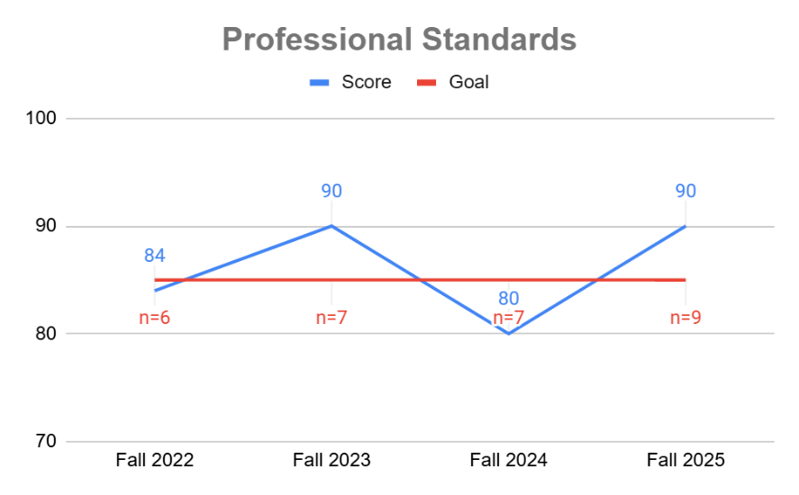

Students will integrate knowledge across fields of the accounting discipline from multiple perspectives. Goal: 85% | Professional Research Paper in ACC515 Accounting Theory course. Internal, Summative. | In fall 2025, 10 students scored 93%, above the goal of 85%. | The results show that students are consistently meeting the MACC 2 objective. The average score was 90% in 2023 (n = 9), 86% in 2024 (n = 9), and 93% in 2025 (n = 10), all above the 85% benchmark. The three-year trend indicates sustained achievement, with a modest decline in 2024 followed by stronger improvement in 2025. This suggests that students can generally integrate accounting theory, research evidence, professional standards, and practical accounting issues into the Professional Research Paper. Continued review of rubric-level results will help identify specific areas that need additional support. | During the past two assessment cycles, ACC 515 has emphasized professional research, accounting theory, standard-setting issues, ethical implications, class discussion, and application of accounting concepts to current issues. These activities support MACC 2 by requiring students to connect ideas across financial reporting, auditing, tax, governance, ethics, and professional practice. The strong results above the 85% benchmark suggest that these instructional practices are generally effective. Going forward, we will continue to strengthen the alignment between the Professional Research Paper and the MACC 2 objective. Beginning with the next offering of ACC 515, the assignment prompt and rubric will more clearly identify the integration component of the paper. Students will be encouraged to address multiple perspectives, including accounting theory, professional standards, financial reporting implications, ethical considerations, audit or tax implications when relevant, and practical effects on users of financial information. Earlier checkpoints, such as topic approval, preliminary source review, and paper-outline feedback, will help students develop stronger integrated analysis before the final paper is submitted. Rubric-level results will be reviewed in the next assessment cycle to determine whether further changes are needed. | 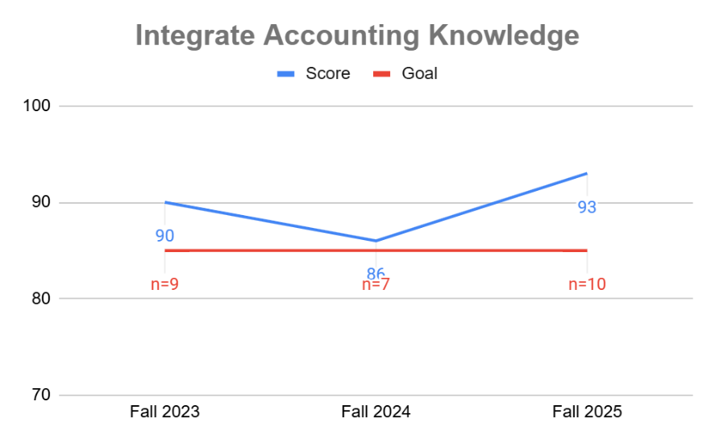

Students will frame accounting problems with an advanced approach and develop creative solutions to accounting issues. Goal: 85% | Final Project in ACC548 Advanced Managerial Accounting class. Formative, Internal | In spring 2026, 6 students scored 88%, above the goal of 85%. | From this project, we have learned that students are able to do the following: • See how accounting concepts from the course can help managers improve decision-making and business performance. • See how managers can use the feedback to access consequences of past decisions and modify future strategies • Perform an in-depth analysis of a company’s financial health using ratios and vertical and horizontal analysis • Identify strengths and weaknesses of an entity and how they can be used to create a competitive advantage • Provide recommendations to management allows them to build upon their communication and critical thinking skills. | For AY 2026-2027, the curriculum will be updated and ACC 548 Advanced Managerial will no longer be offered. The learning outcome will be updated and assessed in ACC510 Corporate Fraud. | 

Students will implement advanced design of technology for accounting, as well as advanced knowledge of its application to financial and non-financial information. Goal: 90% | Midterm assignment in ACC552 Accounting Information Systems course. Summative, Internal | In spring 2026, 9 students scored 91%, above the goal of 85%. | Students were proficient in applying accounting knowledge. | For AY 2026-2027, we will transition to assessing this learning outcome using QuickBooks assignments. | 

Students will apply specialized knowledge of accounting and business in a global context and demonstrate understanding of the strategic role accounting plays in business organizations and society. Goal: 85% | Research Paper in ACC580 Advanced Accounting course. Summative, Internal | In spring 2026, 11 students scored 80%, below the goal of 85%. | Students have gradually been performing less positively on this learning outcome. | All of the MACC outcomes are being evaluated due to a change in focus of the program towards fraud and forensics. As the curriculum changes, the learning outcomes will also need to be revised. | 

Students will demonstrate an ability to work with various tax research tools to formulate and substantiate opinions on tax issues. Goal: 85% | Weekly assignments in ACC524 Federal Tax course. Formative, Internal | In fall 2025, 11 students scored 94%, above the goal of 85%. | Students perform very well on this learning outcome. Performance is stable and we will continue what we have been doing in the course. | All of the MACC outcomes are being evaluated due to a change in focus of the program towards fraud and forensics. As the curriculum changes, the learning outcomes will also need to be revised. | 

Masters of Science in Analytics & Applied AI, M.S.
Students will demonstrate knowledge of the basic forms of primary and secondary data, as well as the data collection process and sampling techniques. Goal: 85% | Course project in MDA510 Introduction to Data course. Summative, Internal | In spring 2026, 8 students scored 90%, above the goal of 85%. | Based on the data, the class average consistently exceeded the 85% target. The slight downward trend can be attributed to increased enrollment of students with more diverse academic backgrounds. | Moving forward, we will assess this objective using the Module 4 – Data Collection and Organization assignment. To help student improve their performance on this outcome, the course has, over the past two years, implemented a two-stage submission process for this assignment. Students first submit their work for peer review, receiving feedback from classmates, and then revise and resubmit the assignment to the Instructor. This approach has helped students better grasp key concepts related to data understanding and data collection. Looking ahead, the course will undergo a redesign. Any future changes to this assignment and instructional approach will depend on the teaching objectives of the new Instructor or course designer. It is expected that a new course with AI will be available starting from Spring 2026. | 

Students will analyze data using quantitative techniques. Goal: 85% | Applied Assessment assignments in MDA522 Spreadsheet Modeling course. Summative, Internal | In fall 2025, 10 students scored 94%, above the goal of 85%. | Students have a high rate of success using these quantitative techniques, which their skills are gained from training simulations before they complete their assessment. They also watch videos and read information about the quantitative techniques. The results indicate that students have a proficiency in analyzing data that they have calculated / configured in an Excel spreadsheet. | Additional instructional videos were added to this class and the Instructor continues to evaluate whether students have a high rate of failure on any one question/objective. The success rate for students indicating that the trainings, instruction videos, and course reading are successful in teaching the objective. | 

Students will examine how business data are visualized. Goal: 85% | Final project in MDA526 Business Intelligence and Data Visualization course. Summative, Internal | In spring 2026, 14 students scored 94%, above the goal of 85%. | Students have performed quite well on this learning outcome over time. It is being assessed in the appropriate course. | A new Instructor will be teaching the class in the 2026-2027 AY. They will be making adjustments to the course to better incorporate AI, in line with the shifting focus of the program. | 

Students will describe robust data storage models for efficient storage & fast retrieval of data. Goal: 85% | Final Project Presentation in MDA528 Business Data Management course. Summative, Internal | In summer 2025, 8 students scored 99%, above the goal of 85%. | We recently changed this learning outcome because we changed the program to make it more relevant for students, particularly with the inclusion of AI. As a result, this outcome is being assessed in a different class using a different assignment. Initial results are encouraging. | We will monitor the changed objective to determine whether it remains relevant for students and is being assessed in the optimal course and with the ideal assignment. | 

Students will demonstrate knowledge of fundamental marketing metrics. Goal: 85% | Quiz questions in the MDA534 Marketing Analytics course. Formative, Internal | In spring 2026, 8 students scored 98%, above the goal of 85%. | Students continue to perform above the goal on this learning outcome, which is being assessed in an appropriate class. | A new Instructor will be teaching the class in the 2026-2027 AY. They will be making adjustments to the course to better incorporate AI, in line with the shifting focus of the program. | 

Students will explain information systems security and its effect on people and businesses. Goal: 85% | Final Project in MDA536 Data Privacy & Security course. Summative, Internal | In fall 2025, 6 students scored 90%, above the goal of 85%. | We recently changed this learning outcome because we changed the program to make it more relevant for students, particularly with the inclusion of AI. As a result, this outcome is being assessed in a different class using a different assignment. Initial results are encouraging. | We will monitor the changed objective to determine whether it remains relevant for students and is being assessed in the optimal course and with the ideal assignment. | 

Master of Arts in Strategic Leadership & Management, M.A.
Students will effectively apply foundational leadership theories and concepts to leadership challenges and opportunities. Goal: 85% | Case analyses in ML510 Foundations of Leadership course. Formative, Internal | In summer 2025, 12 students scored 97%, above the goal of 85%. | The case studies in the text although valuable, are a good warm up for real context and real issues that students experience. The real case studies can be discovered in leadership interview where real situations and stories need to be collected and pursued, analyzed and discussed. | We have changed the assignment twice. This year, we have students interviewing “leader” that they know (1-3) to analyze and make recommendations on leader style, theory and effectiveness. Moving forward, we will assess this outcome using the Follow the Leader assignment. | 

Students will develop a well-supported, clearly written original perspective. Goal: 85% | Weekly Response Writings in MBA514 Public Policy & Business course. Formative, Internal | In fall 2025, 12 students scored 89%, above the goal of 85%. | Most students proficiently identified quality sources, cited sources properly, and summarized the literature. Some struggled to develop an original position. Many continued to struggle with expressing the original position clearly. This shows that greater focus is needed on argument development and general writing skills. | We slightly revised the objective to be more relevant for students. The instructor started giving significantly more feedback for the first several writing assignments. The instructor has also adjusted the rubric to be very content-specific, rather than using the same rubric for each writing. MBA student performance moderately improved from 2024 to 2025 with these two changes. We will also have a discussion on the use of Grammarly in graduate classes in the GSB. | 

Students will diagnose a wide range of organizational phenomena, by applying various perspectives from which groups and organizations can be viewed. Goal: 85% | Literature review in ML550 Complex Organizations course. Formative, Internal | In spring 2026, 10 students scored 95%, above the goal of 85%. | Although students are able to conduct in-depth research on specific topics related to organizations, the assignment did not sufficiently address the objective of diagnosing a wide range of organizational phenomena from multiple perspectives. The literature review focused on a single theme or issue within the field of complex organizations, limiting students’ ability to explore and apply diverse theoretical frameworks and approaches to the broad spectrum of organizational dynamics. In contrast, the new Organizational Analysis paper requires students to engage with a wider variety of organizational factors—such as structure, culture, leadership strategies, and change—allowing them to diagnose organizational challenges from multiple perspectives. This shift will better facilitate the application of diverse viewpoints and help students develop a more comprehensive understanding of how organizations function and evolve across different contexts. | We do not believe that the literature review has been the optimal assignment for assess objective MSLM3. For the Spring 2026 semester, the Instructor replaced the Literature Review assignment with an Organizational Analysis paper in which students select an organizational context and apply the following principles in an analysis of the selected context:• Organizational structure • Organizational culture • Diversity and inequities in organizations • Leadership strategies • Organizational change and resilience • Recommendations for strategic leadership interventions Students will still be required to integrate scholarly peer-reviewed literature into the complex organizations analysis paper. | 

Students will apply ethical models to a wide range of dilemmas faced by leaders in various settings and circumstances. Goal: students will "Meet" or "Exceed Expectations" on over 85% of rubric criteria. | Final paper in PHL580 Ethics in Action course. Summative, Internal | In spring 2026, 10 students were assessed and 97% achieved the conditions described, above the goal of 85%. | Students excel at this learning outcome across all rubric criteria. | The Instructor has implemented a pedagogy that requires students to reflect more on their learning in the course, which is a terrific complement to the course topic and content. Students have responded positively to these changes. | 

Students will effectively apply relevant different negotiation techniques, depending on the circumstance. Goal: 85% | Negotiation Role Play assignment in ML560 Negotiation course. Summative, Internal. | In fall 2025, 9 students scored 89%, above the goal of 85%. | Several important patterns emerged from the 2025 assessment. Strengths observed: • Most students demonstrated strong BATNA development and ethical awareness. • Professional tone, respectfulness, and relationship-building were consistently strong. • High-performing students effectively expanded the bargaining mix and used research to justify positions. Areas needing improvement: • Some students relied on vague ranges instead of clear anchors, weakening leverage. • Repetitive phrasing (e.g., asking the same question without new justification) reduced value creation. • Several students accepted offers prematurely without fully exploring non-monetary trade-offs. Questioning was often sequential and checklist-based rather than probing and diagnostic. In a few cases, students revealed information or made assurances that would be inappropriate in real organizational settings. These results indicate that while students understand negotiation concepts, many need further development in discipline, adaptability, and real-time strategic control. | Randomized simulation partners and timing were implemented successfully in the most recent iteration of the course. This change reduced scripted performance and increased the authenticity of real-time negotiation, requiring students to adapt to different counterparts, communication styles, emotional cues, and preparation levels. As a result, students demonstrated greater awareness that negotiation outcomes depend not only on individual preparation but also on real-time adaptability and process control. Building on this success, future iterations of the course will place greater emphasis on question-driven negotiation control. Students will practice probing, follow-up, and diagnostic questions designed to shape negotiation flow, uncover underlying interests, and regain control of the process, rather than simply gathering surface-level information. This instructional focus will help students manage uncertainty, respond strategically to counterpart behavior, and apply negotiation techniques more consistently across varied situations. | 

