Table 7.1 - Template
Table 7.1 - Template Student Achievement
Use this table to supply data for Standard 7
 | You must provide results for each program, concentration, specialization, etc. accredited or to be accredited. There must be a link on your business page website to this table. Place link here such as: https://www.nmcc.edu/accreditation/business-technology-accreditation/
Student Achievement | Replace examples with your program data and information. Must report on goal of graduates by program and results. e.g. Graduation by program and year Goal Results e.g. BS Finance e.g. BS Management e.g. MBA Report on at least one of these: Attrition Retention Licensure pass rates Job placement rates Employment advancement Acceptance into graduate programs Successful transfer of credit Other
Must report on goal of graduates by program and results.
Graduates by Program | Goal 2023 | Results 2023 | Graph
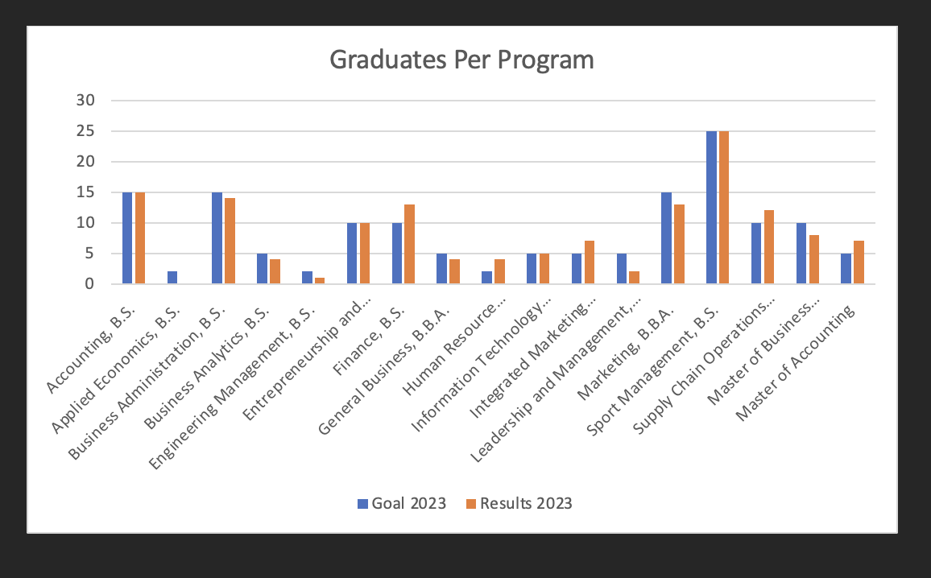
Accounting, B.S. | 15 | 15
Applied Economics, B.S. | 2 | 0
Business Administration, B.S. | 15 | 14
Business Analytics, B.S. | 5 | 4
Engineering Management, B.S. | 2 | 1
Entrepreneurship and Innovation, B.B.A. | 10 | 10
Finance, B.S. | 10 | 13
General Business, B.B.A. | 5 | 4
Human Resource Management, B.B.A. | 2 | 4
Graduates by Program
 | Goal 2020 | Results 2020
e.g. BS Finance | 22 | 24
e.g. BS Management | 34 | 31
e.g. MBA | 14 | 14
Information Technology Management, B.S. | 5 | 5
Integrated Marketing Communication, B.A. | 5 | 7
Leadership and Management, B.B.A. | 5 | 2
Marketing, B.S. | 15 | 13
Sport Management, B.S. | 25 | 25
Supply Chain Operations Management, B.S. | 10 | 12
Master of Business Administration | 10 | 8
Master of Accounting | 5 | 7
Retention by Program
 | 1 | 1
At least one other student achievement - time to degree
 | Goal 2023 = greater than 90% of students will finish their degree within 4 years | Results 2023 | Graph
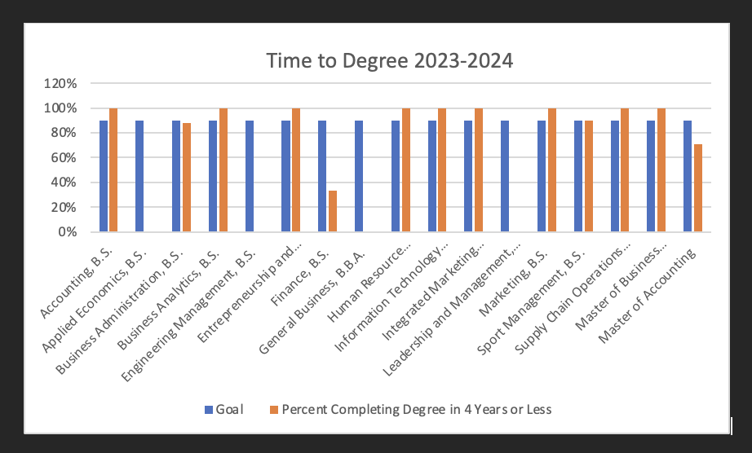
Accounting, B.S. | 90% | 100%
Applied Economics, B.S. | 90% | N/A
Business Administration, B.S. | 90% | 88%
Business Analytics, B.S. | 90% | 100%
Engineering Management, B.S. | 90% | N/A
Entrepreneurship and Innovation, B.B.A. | 90% | 100%
Finance, B.S. | 90% | 33%
General Business, B.B.A. | 90% | N/A
Human Resource Management, B.B.A. | 90% | 100%
Graduates by Program
 | Goal 2020 | Results 2020
e.g. BS Finance | 22 | 24
e.g. BS Management | 34 | 31
e.g. MBA | 14 | 14
Information Technology Management, B.S. | 90% | 100%
Integrated Marketing Communication, B.A. | 90% | 100%
Leadership and Management, B.B.A. | 90% | N/A
Marketing, B.S. | 90% | 100%
Sport Management, B.S. | 90% | 90%
Supply Chain Operations Management, B.S. | 90% | 100%
Master of Business Administration | 90% | 100%
Master of Accounting | 90% | 71%

 |  |  | Note: This data was calculated using data of students who came in declared with x major
 |  |  | and graduated with that same (x) major. This is why a few majors have no data in this graph,
 |  |  | but graduate numbers listed in the first graph (i.e., students declared that major later in
 |  |  | their academic career). In aggregate, 94% of students from these programs graduated in
 |  |  | 4 years or less.

